About
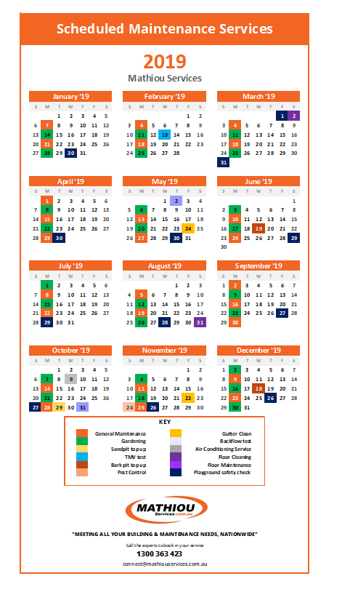
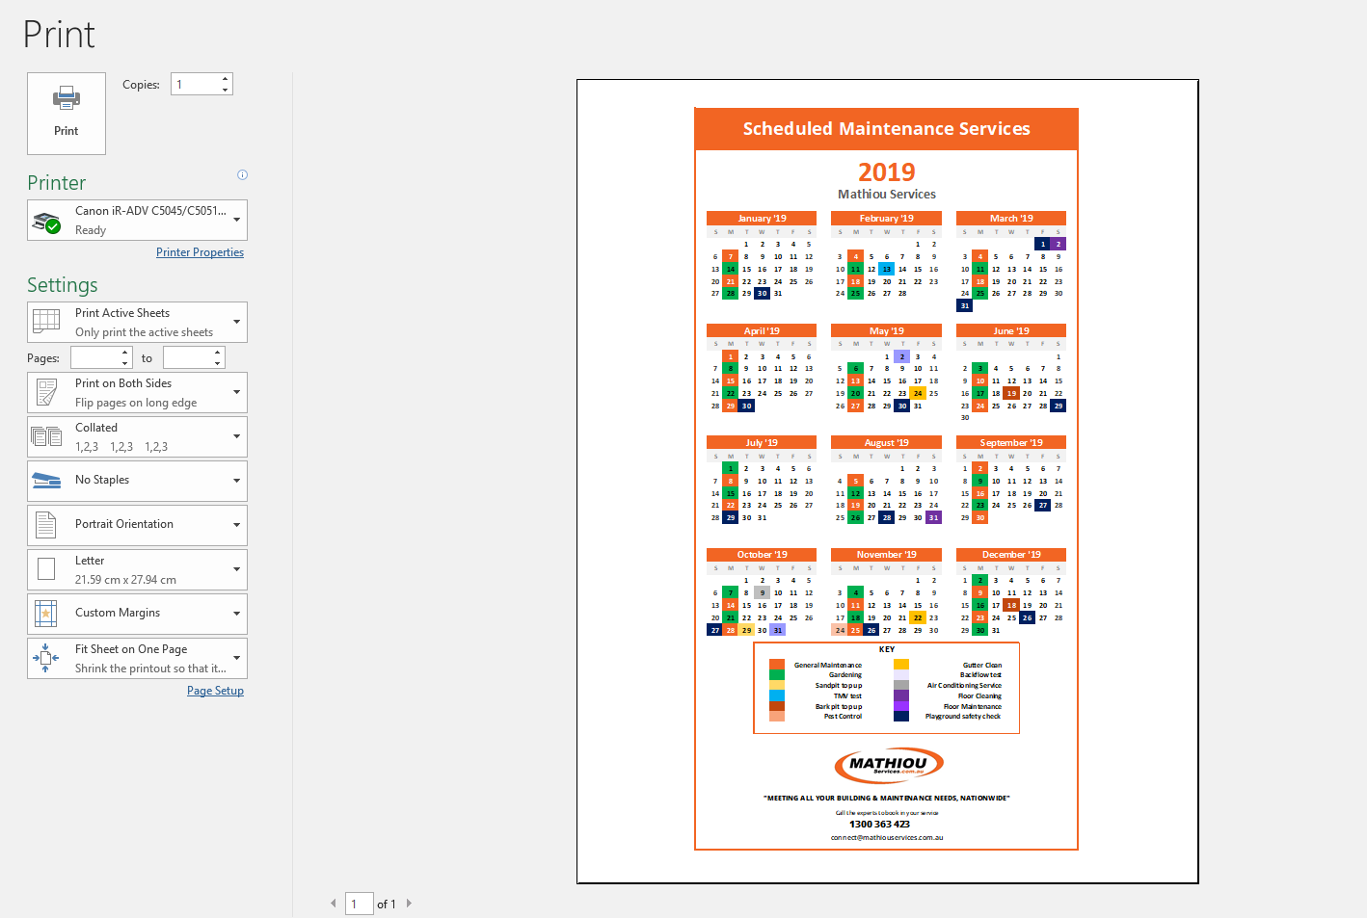
www.mathiouservices.com.au/scheduled-maintenance-tools

Welcome & Congratulations on receiving your customised calendar
We at Mathiou Services are committed to helping people keep on top of their facility maintenance, we want to help reduce the large asset costs and prolong the life of your facilities through regular maintenance. So as a result have created this calendar for you and your facilities to utilies. If you haven't had any of the services then please by default put the 1st date of the year and a automated schedule will be created.
About This Template
Print an annual calendar for 2018, 2019, 2020 and beyond. Put it on your fridge, wall, or desk as a convenient reference. This template, provided by mathiouservices.com.au, allows you to change the year, name of company, last scheduled service and frequency of service where necessary. Simply follow the steps below to create your customised calendar.

Step 1
Type in the Company Name/ title, then enter the dates for each category into the calculator tab. Note: If it does not apply to you please leave blank. Or if one is combined with another please choose the one that applies. You can also alter the title of the Service but cannot add your own

Step 2
Go to Customised Calendar tab. Click file print

